Sheet1
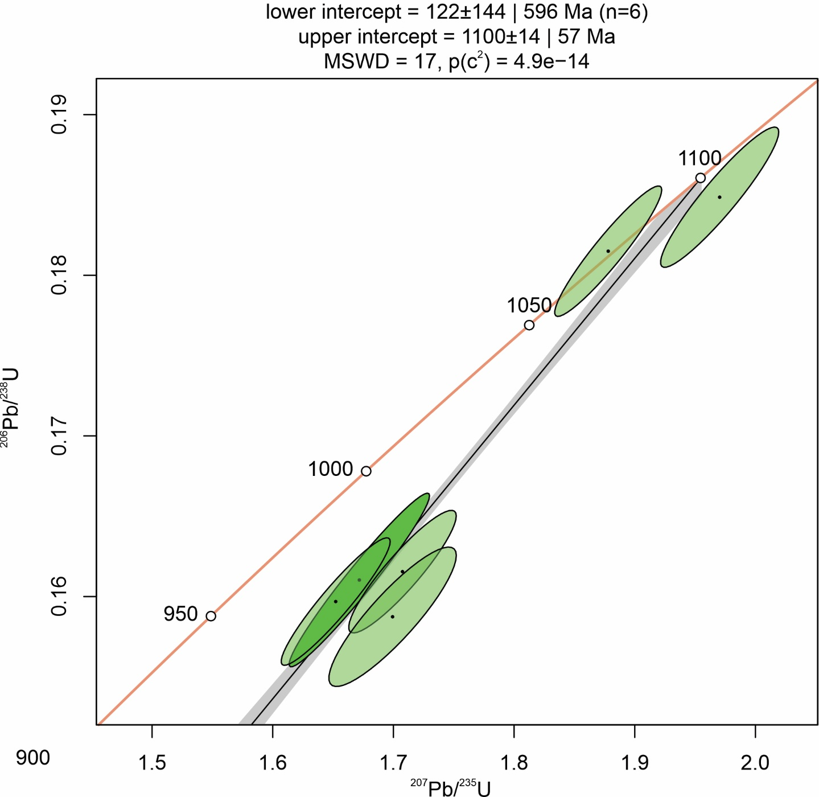
Note: Table 2 (U-Pb Ages) in Pradhan et al., 2010 lists incorrect data. The correct listing is given below along with new age calculations. We are unable to ascertain the cause of the error in the original publication.

 |  |  |  |  |  |  |  |  |  |  |  |  |  | 238/235
Sample | 206Pb/238U | 2s % error | *207Pb/235U | *2s % error | 207Pb/206Pb | 2s % error | rho | *207Pb/235U | *2s % error | 206Pb/238U | 2s % error | 207Pb/206Pb | 2s % error | %Disc
I595_1 | 0.16103 | 2.7 | 1.67173 | 2.8 | 0.07529 | 0.6747348204 | 0.97 | 998 | 18 | 962 | 24 | 1076 | 14 | 3.6
I595_2 | 0.15969 | 2.0 | 1.65214 | 2.2 | 0.07504 | 0.74948067954 | 0.94 | 990 | 14 | 955 | 18 | 1069 | 15 | 3.5
I595_3 | 0.16155 | 1.9 | 1.70750 | 2.1 | 0.07666 | 0.8876728854 | 0.91 | 1011 | 13 | 965 | 17 | 1112 | 17 | 4.5
I595_4 | 0.18486 | 1.9 | 1.97034 | 2.0 | 0.07730 | 0.72052899664 | 0.93 | 1105 | 13 | 1093 | 19 | 1129 | 15 | 1.1
I595_5 | 0.15874 | 2.2 | 1.69931 | 2.5 | 0.07764 | 1.1608515762 | 0.88 | 1008 | 16 | 950 | 19 | 1138 | 24 | 5.8
I595_20 | 0.18150 | 1.8 | 1.87799 | 1.9 | 0.07504 | 0.65888099342 | 0.94 | 1073 | 13 | 1075 | 18 | 1070 | 13 | -0.2

